Steam下载量地域分布
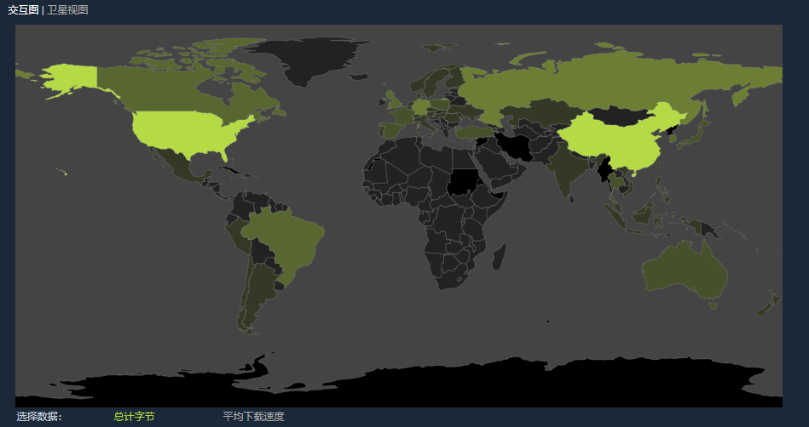

各地区主要国家下载量（PB：Peta Bytes)
北美 |  | 欧洲 |  | 亚洲
CAN | 10.6 | UK | 12.8 | CHN | 80.5
USA | 78.7 | FRA | 8.5 | JAP | 5.4
MEX | 2.6 | SPA | 4.8 | KOR | 11.8
 |  | GER | 17.8 | IND | 2.1
南美 |  | RUS | 24.2 | AUS | 6.7
BRZ | 12.6
ARG | 3.9
CHI | 2.4
PER | 1.2

Source：https://store.steampowered.com/stats/content/

Steam近期客服
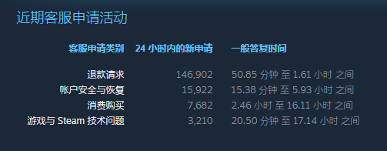

Source：https://store.steampowered.com/stats/support

